offer sheet
O F F E R S H E E T
Seller (Exporter) | [기재: 상호 / 주소 / 담당자 / Tel / Email] |  |  |  |  | Date | 2026-06-22
Buyer | [기재: 회사명 / 국가 / 담당자] |  |  |  |  | Validity | 30 days from offer date
Manufacturer | (주)믿음에프엔비 / MIDUM F&B Co., Ltd. |  |  |  |  | Incoterms | CPT Hong Kong (Air, ICN→HKG)
Country of Origin | Republic of Korea (processed) |  |  |  |  | Payment | T/T [기재: 조건]
Currency | USD (price per EA) |  |  |  |  | Packing | Carton box
Product Image | Product Name | Unit Price CFR HKG-Air (USD/EA) | Shelf Life | Storage | Volume / EA | PCS / BOX | Box Spec (mm) | Gross Weight / BOX | HS CODE | MOQ | Sales Point
제품 사진 | 제품명 | CFR 홍콩·항공(USD/EA) | 유통기한 | 보관방법 | 낱개 용량 | 박스입수 | 박스규격 | 박스 총중량 | HS코드 | 최소주문 | 특장점
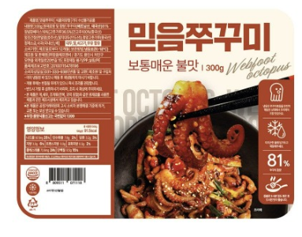 | Stir-fried Webfoot Octopus 쭈꾸미 | 6.90 | 12 months 12개월 | -18℃ Frozen 냉동보관 | 300 g | 12 | 480×400×320 | 6.2 kg | 1605.55 | 20 box | Authentic Korean spicy stir-fried webfoot octopus; ready-to-cook
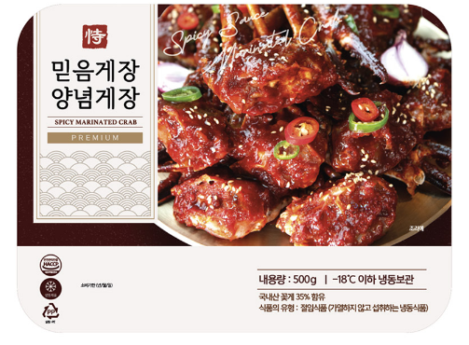 | Spicy Marinated Crab 양념게장 | 12.79 | 12 months 12개월 | -18℃ Frozen 냉동보관 | 500 g | 6 | 480×400×320 | 5.9 kg | 1605.10 | 40 box | Bold spicy marinated blue crab; ready-to-eat Korean delicacy
 | Soy Sauce Marinated Peeled Shrimp 깐새우장 | 6.76 | 12 months 12개월 | -18℃ Frozen 냉동보관 | 300 g | 20 | 480×400×320 | 9.2 kg | 1605.21 | 10 box | Shell-free soy-marinated shrimp; sweet & savory, convenient
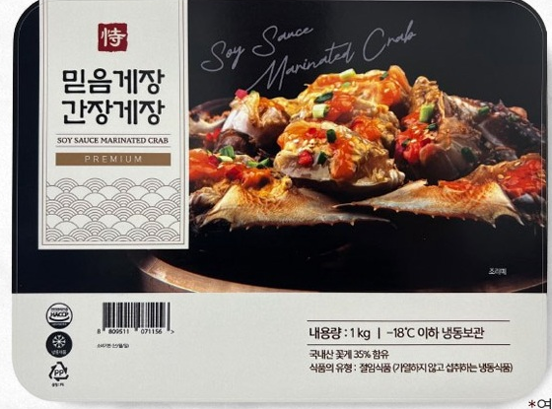 | Soy Sauce Marinated Crab 간장게장 | 13.65 | 12 months 12개월 | -18℃ Frozen 냉동보관 | 600 g | 6 | 480×400×320 | 5.9 kg | 1605.10 | 10 box | Premium soy-sauce marinated blue crab; Korea's signature delicacy
Notes: CFR Hong Kong (Air) = FOB + freight [air KRW1,050,000/270kg + truck KRW150,000 + ice KRW2,000/box], FX 1,400, basis 270kg/shipment. Gross weight/box = (packaged unit weight x qty) + 2.0 kg ice pack. HS codes are 6-digit (indicative); confirm 10-digit HSK. All items frozen at -18℃. Prices in USD/EA, valid 30 days.

